Workout
Accounting and Financial Analysis

Workout
 | Calculate working capital.

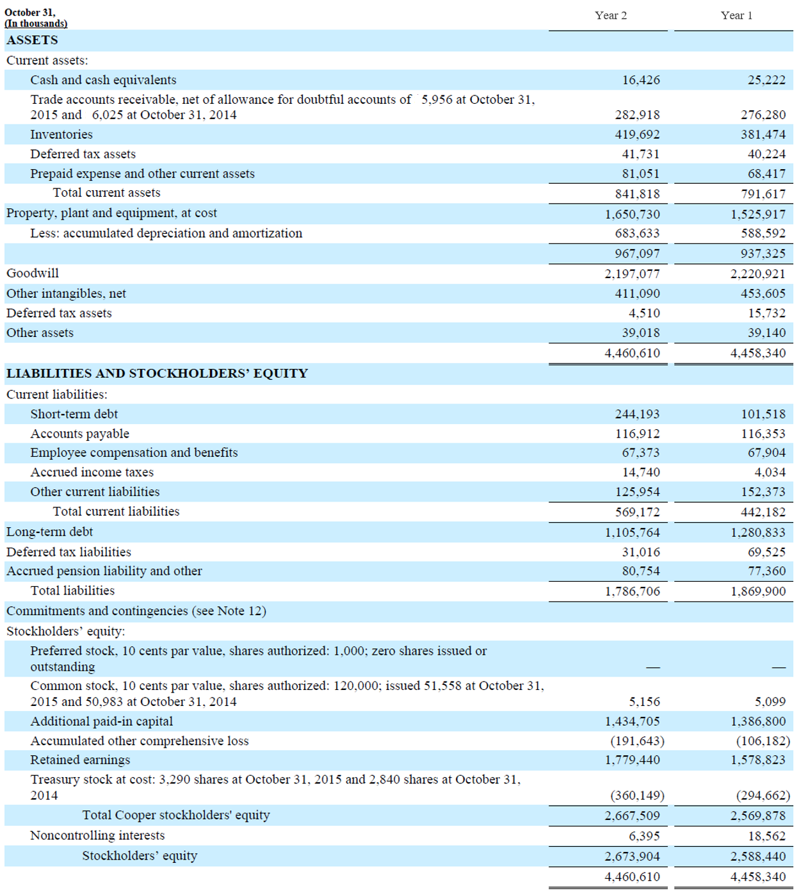

 |  | Year 2 | Year 1
 | Current assets | 841,818.0 | 791,617.0
 | Current liabilities | 569,172.0 | 442,182.0
 | Working capital | 272,646.0 | 349,435.0

End

